Sheet1
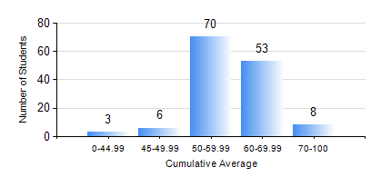
 |  |  | KWAME NKRUMAH UNIVERSITY OF SCIENCE AND TECHNOLOGY, KUMASI Department of Agricultural and Biosystems Engineering

 |  |  | BSC. AGRICULTURAL ENG.

 |  |  | COMPREHENSIVE RECORD OF EXAMINATION RESULTS

 |  |  | RESULTS OF YEAR 3 SECOND SEMESTER, 2020/2021 ACADEMIC YEAR

 | Sn | Course Code |  | Course Name | Credit Hours | Min. Mark | Max. Mark | Avg. Mark | Std. Dev. | No. Passed | No. Trailed | No. (Df) | No. (I) | No. (I*) | No. Tagged(I,I*,Df) | Total
 | 0. |  |  |  |  |  |  | 0 | 0 | 0 | 0 | 0 | 0 | 0 | 0 | 6
 | 1. | AE 352 |  | SOIL MECHANICS APPLICATION TO MECHANISATION | 2 | 46 | 91 | 68 | 7.79 | 134 | 0 | 0 | 0 | 0 | 0 | 134
 | 2. | AE 356 |  | FARM POWER AND MACHINERY | 3 | 24 | 84 | 54 | 12.65 | 122 | 12 | 0 | 0 | 0 | 0 | 134
 | 3. | AE 358 |  | RENEWABLE ENERGY SYSTEMS AND MANAGEMENT | 3 | 47 | 88 | 71 | 8.33 | 134 | 0 | 0 | 0 | 0 | 0 | 134
 | 4. | AE 360 |  | RURAL ENGINEERING | 2 | 24 | 87 | 51 | 12.24 | 118 | 16 | 0 | 0 | 0 | 0 | 134
 | 5. | AE 362 |  | RESEARCH METHODS FOR ENGINEERS | 2 | 40 | 91 | 63 | 11.45 | 134 | 0 | 0 | 0 | 0 | 0 | 134
 | 6. | ME 366 |  | HEAT TRANSFER | 3 | 27 | 79 | 53 | 13.1 | 120 | 14 | 0 | 0 | 0 | 0 | 134
 | 7. | ME 374 |  | MACHINE DESIGN II | 3 | 20 | 84 | 48 | 12.48 | 110 | 24 | 0 | 0 | 0 | 0 | 134
 | 8. | ME 376 |  | INTRODUCTION TO CAD/CAM | 3 | 26 | 78 | 47 | 11.52 | 112 | 22 | 0 | 0 | 0 | 0 | 134

